Test Summary Report
 | Test Summary for Sprint1(27Nov - 2 Dec) |  |  |  |  |  | Burndown Chart Screen Shot

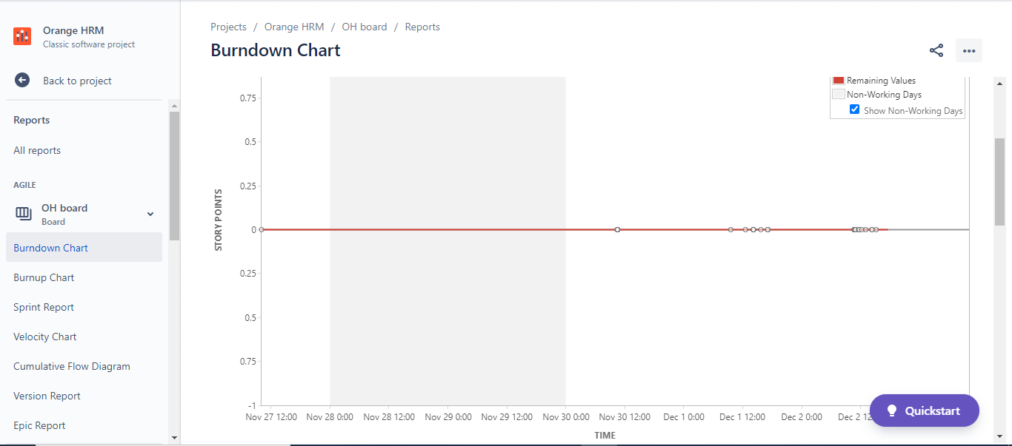
Sr No. | Activities | Count | Passed | Failed | Duplicates | Remarks
1 | Created Userstories | 2
2 | Created Testcases | 4
3 | Number of tests executed in Sprint1, iteration1 | 4 | 3 | 1
4 | Defects Reported | 1
5 | Number of sprints executed | 1

Any Challenges
Finding defect was time taking as in 'Employee List' tab, there are lot many employees added and for only few employees details are not displayed.

Any Best Practices

